Sheet1
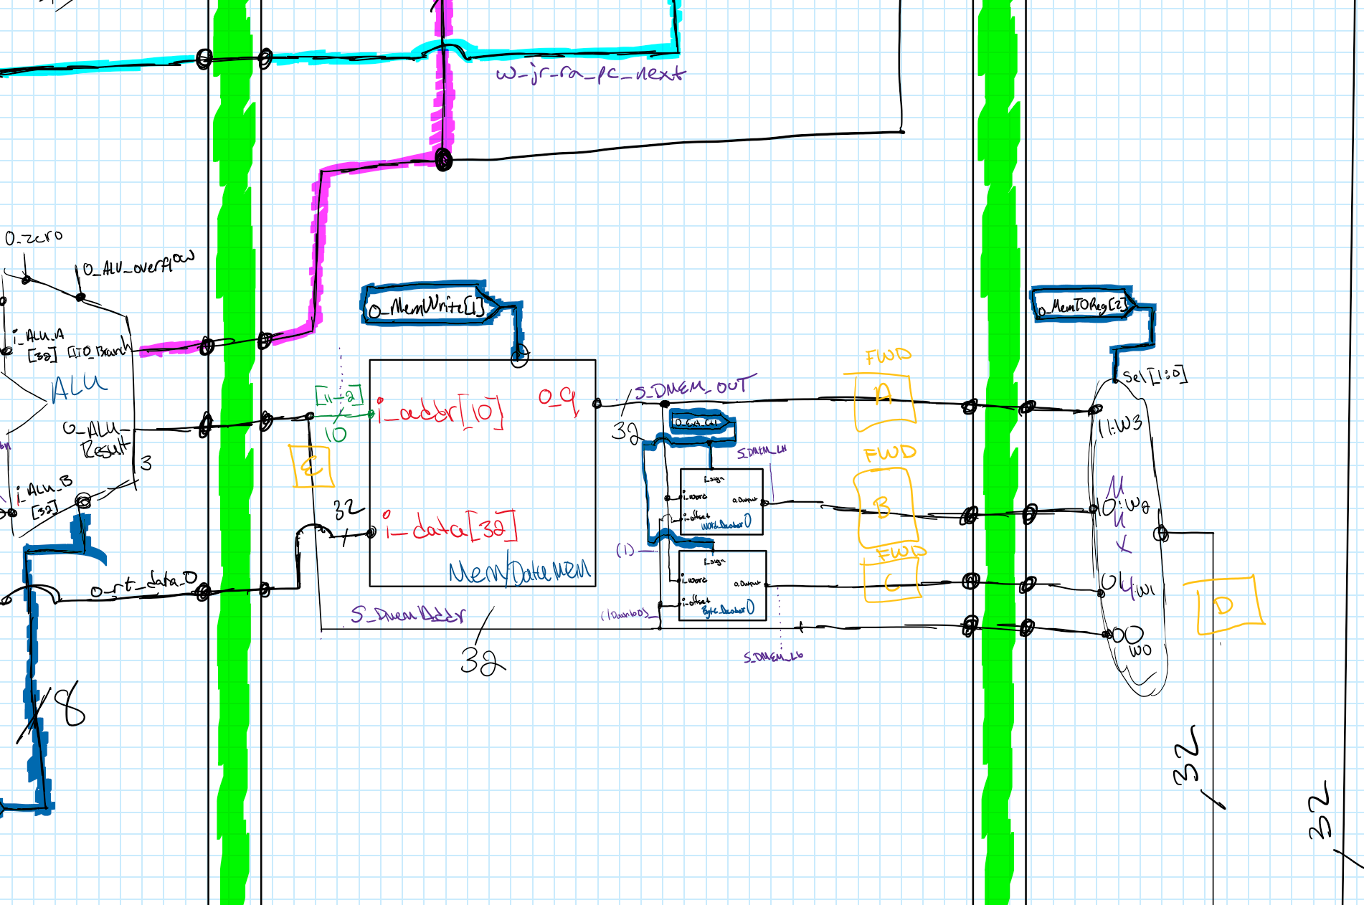
Producer And Consumer Chart
Intruction | Producer | Signal Where Produced | Stage Produced In / FWD From | Stages Can Be Forward From (Check Drawing For Letter Key) | Consumer | Signal #1 Where Value Is Consumed | Stage Consumed In #1 | Signal #2 Where Value Is Consumed2 | Stage Consumed In #2
add | yes | S_Dmem_Addr | MEM | (MEM) E |D (WB) | yes | w_EX_mux7_alu_rtn | EX | w_EX_mux1_alu_rtn | EX
addi | yes | S_Dmem_Addr | MEM | (MEM) E |D (WB) | yes | w_EX_mux7_alu_rtn | EX | N/A | N/A
addiu | yes | S_Dmem_Addr | MEM | (MEM) E |D (WB) | yes | w_EX_mux7_alu_rtn | EX | N/A | N/A
addu | yes | S_Dmem_Addr | MEM | (MEM) E |D (WB) | yes | w_EX_mux7_alu_rtn | EX | w_EX_mux1_alu_rtn | EX
and | yes | S_Dmem_Addr | MEM | (MEM) E |D (WB) | yes | w_EX_mux7_alu_rtn | EX | w_EX_mux1_alu_rtn | EX
andi | yes | S_Dmem_Addr | MEM | (MEM) E |D (WB) | yes | w_EX_mux7_alu_rtn | EX | N/A | N/A
lui | yes | S_Dmem_Addr | MEM | (MEM) E |D (WB) | no | N/A | N/A | N/A | N/A
lw | yes | S_Dmem_Out | MEM | (MEM) A |D (WB) | yes | w_EX_mux7_alu_rtn | EX | N/A | N/A
nor | yes | S_Dmem_Addr | MEM | (MEM) E |D (WB) | yes | w_EX_mux7_alu_rtn | EX | w_EX_mux1_alu_rtn | EX
xor | yes | S_Dmem_Addr | MEM | (MEM) E |D (WB) | yes | w_EX_mux7_alu_rtn | EX | w_EX_mux1_alu_rtn | EX
xori | yes | S_Dmem_Addr | MEM | (MEM) E |D (WB) | yes | w_EX_mux7_alu_rtn | EX | N/A | N/A
or | yes | S_Dmem_Addr | MEM | (MEM) E |D (WB) | yes | w_EX_mux7_alu_rtn | EX | w_EX_mux1_alu_rtn | EX
ori | yes | S_Dmem_Addr | MEM | (MEM) E |D (WB) | yes | w_EX_mux7_alu_rtn | EX | N/A | N/A
slt | yes | S_Dmem_Addr | MEM | (MEM) E |D (WB) | yes | w_EX_mux7_alu_rtn | EX | w_EX_mux1_alu_rtn | EX
slti | yes | S_Dmem_Addr | MEM | (MEM) E |D (WB) | yes | w_EX_mux7_alu_rtn | EX | N/A | N/A
sll | yes | S_Dmem_Addr | MEM | (MEM) E |D (WB) | yes | w_EX_mux1_alu_rtn | EX | N/A | N/A
srl | yes | S_Dmem_Addr | MEM | (MEM) E |D (WB) | yes | w_EX_mux1_alu_rtn | EX | N/A | N/A
sra | yes | S_Dmem_Addr | MEM | (MEM) E |D (WB) | yes | w_EX_mux1_alu_rtn | EX | N/A | N/A
sw | no | N/A | N/A | N/A | yes | w_EX_mux7_alu_rtn | EX | N/A | N/A
sub | yes | S_Dmem_Addr | MEM | (MEM) E |D (WB) | yes | w_EX_mux7_alu_rtn | EX | w_EX_mux1_alu_rtn | EX
subu | yes | S_Dmem_Addr | MEM | (MEM) E |D (WB) | yes | w_EX_mux7_alu_rtn | EX | w_EX_mux1_alu_rtn | EX
beq | no | N/A | N/A | N/A | yes | w_EX_mux7_alu_rtn | EX | w_EX_mux1_alu_rtn | EX
bne | no | N/A | N/A | N/A | yes | w_EX_mux7_alu_rtn | EX | w_EX_mux1_alu_rtn | EX
j | no | N/A | N/A | N/A | no | N/A | N/A | N/A | N/A
jal | yes | s_IF_pc_p4 | IF | (IF) F | no | N/A | N/A | N/A | N/A
jr | no | N/A | N/A | N/A | yes | s_ID_rs_data_o | EX | N/A | N/A
lb | yes | s_MEM_Dmem_Lb | MEM | (MEM) C |D (WB) | yes | w_EX_mux7_alu_rtn | EX | N/A | N/A
lh | yes | s_MEM_Dmem_Lh | MEM | (MEM) A |D (WB) | yes | w_EX_mux7_alu_rtn | EX | N/A | N/A
lbu | yes | s_MEM_Dmem_Lb | MEM | (MEM) C |D (WB) | yes | w_EX_mux7_alu_rtn | EX | N/A | N/A
lhu | yes | s_MEM_Dmem_Lh | MEM | (MEM) A |D (WB) | yes | w_EX_mux7_alu_rtn | EX | N/A | N/A
sllv | yes | S_Dmem_Addr | MEM | (MEM) E |D (WB) | yes | w_EX_mux7_alu_rtn | EX | w_EX_mux1_alu_rtn | EX
srlv | yes | S_Dmem_Addr | MEM | (MEM) E |D (WB) | yes | w_EX_mux7_alu_rtn | EX | w_EX_mux1_alu_rtn | EX
srav | yes | S_Dmem_Addr | MEM | (MEM) E |D (WB) | yes | w_EX_mux7_alu_rtn | EX | w_EX_mux1_alu_rtn | EX
halt | no | N/A | N/A | N/A | no | N/A | N/A | N/A | N/A

Equations for Forwarding Logic
Instruction Type | Equation | Forwarder 1 | Forwarder 2 | ELSE
Arithmetic & logic MEM #1 | if ID/EX Rs out == EX/MEM out Reg dst ADDr | 101 | … | 000
Arithmetic & logic MEM #2 | if ID/EX Rt out == EX/MEM out Reg dst ADDr | … | 101 | 000
Arithmetic & logic WB #3 | if ID/EX RS out == MEM/WB out Reg dst ADDr | 100 | … | 000
Arithmetic & logic WB #4 | if ID/EX Rt out == MEM/WB out Reg dst ADDr | … | 100 | 000
LW MEM | if ID/EX Rs out == EX/MEM out Reg ADDr & Opcode == 100011 | 001 | … | 000
LW WB | if ID/EX Rs out == MEM/WB out Reg ADDr & Opcode == 100011 | 100 | … | 000
LB MEM | if ID/EX Rs out == EX/MEM out Reg ADDr & Opcode == 100000 | 011 | … | 000
LB WB | if ID/EX Rs out == MEM/WB out Reg ADDr & Opcode == 100000 | 100 | … | 000
LBU MEM | if ID/EX Rs out == EX/MEM out Reg ADDr & Opcode == 100100 | 011 | … | 000
LBU WB | if ID/EX Rs out == MEM/WB out Reg ADDr & Opcode == 100100 | 100 | … | 000
LH MEM | if ID/EX Rs out == EX/MEM out Reg ADDr & Opcode == 100001 | 010 | … | 000
LH WB | if ID/EX Rs out == MEM/WB out Reg ADDr & Opcode == 100001 | 100 | … | 000
LHU MEM | if ID/EX Rs out == EX/MEM out Reg ADDr & Opcode == 100101 | 010 | … | 000
LHU WB | if ID/EX Rs out == EX/MEM out Reg ADDr & Opcode == 100101 | 100 | … | 000
Stall When | Stall <= '1' when ((i_EX_Reg_Dst /= "00000" and (i_EX_We = '1' and i_EX_Reg_Dst = i_ID_Reg_Rt)) or (i_EX_Reg_Dst /= "00000" and (i_EX_We = '1' and i_EX_Reg_Dst = i_ID_Reg_Rs))) else '1' when ((i_MEM_Reg_Dst /= "00000" and (i_MEM_We = '1' and i_MEM_Reg_Dst = i_ID_Reg_Rt)) or (i_MEM_Reg_Dst /= "00000" and (i_MEM_We = '1' and i_MEM_Reg_Dst = i_ID_Reg_Rs))) else '0'; | … | … | Stall
Catch bad fwd | if ((i_EX_Reg_Rt = "00000") or i_EX_Reg_Rt = "00000") | 000 | 000 | …
Catch Back To Back write to same reg but fwd not needed | if ((i_EX_Reg_Rt = "00000") or i_EX_Reg_Rt = "00000") | 000 | 000 | …

